Feb8
Airline | Amount
Alaska | 457
Alaska | 1714
South West | 672
South West | 672
Jet Blue | 449
Jet Blue | 519
Delta | 856
Delta | 856
American | 551
American | 713
Spiirit | 390
Spiirit | 444

$1,714
High Ranked Airlines
Low Ranked

$856
$713
$672
$856
$672
$519
$551
$444
$457
$449
$390

Large Range

April1
Airline | Amount
Alaska | 389
Alaska | 622
South West | 498
South West | 498
Jet Blue | 99
Jet Blue | 152
Delta | 276
Delta | 350
American | 260
American | 484
Spiirit | 56
Spiirit | 1459

High Ranked Airlines
Low Ranked
$1,459

$622

$498
$484
$498
$350
$389
$260
$152
$276
$56
$99

Large Range

Jun1
Airline | Amount
Alaska | 413
Alaska | 1448
South West | 592
South West | 597
Jet Blue | 152
Jet Blue | 292
Delta | 608
Delta | 816
American | 670
American | 789
Spiirit | 439
Spiirit | 439

High Ranked Airlines
Low Ranked
$1,448

$816
$789

$597
$670
$592
$608
$439

$413
$292
$439

$152

Large Range

Sample1
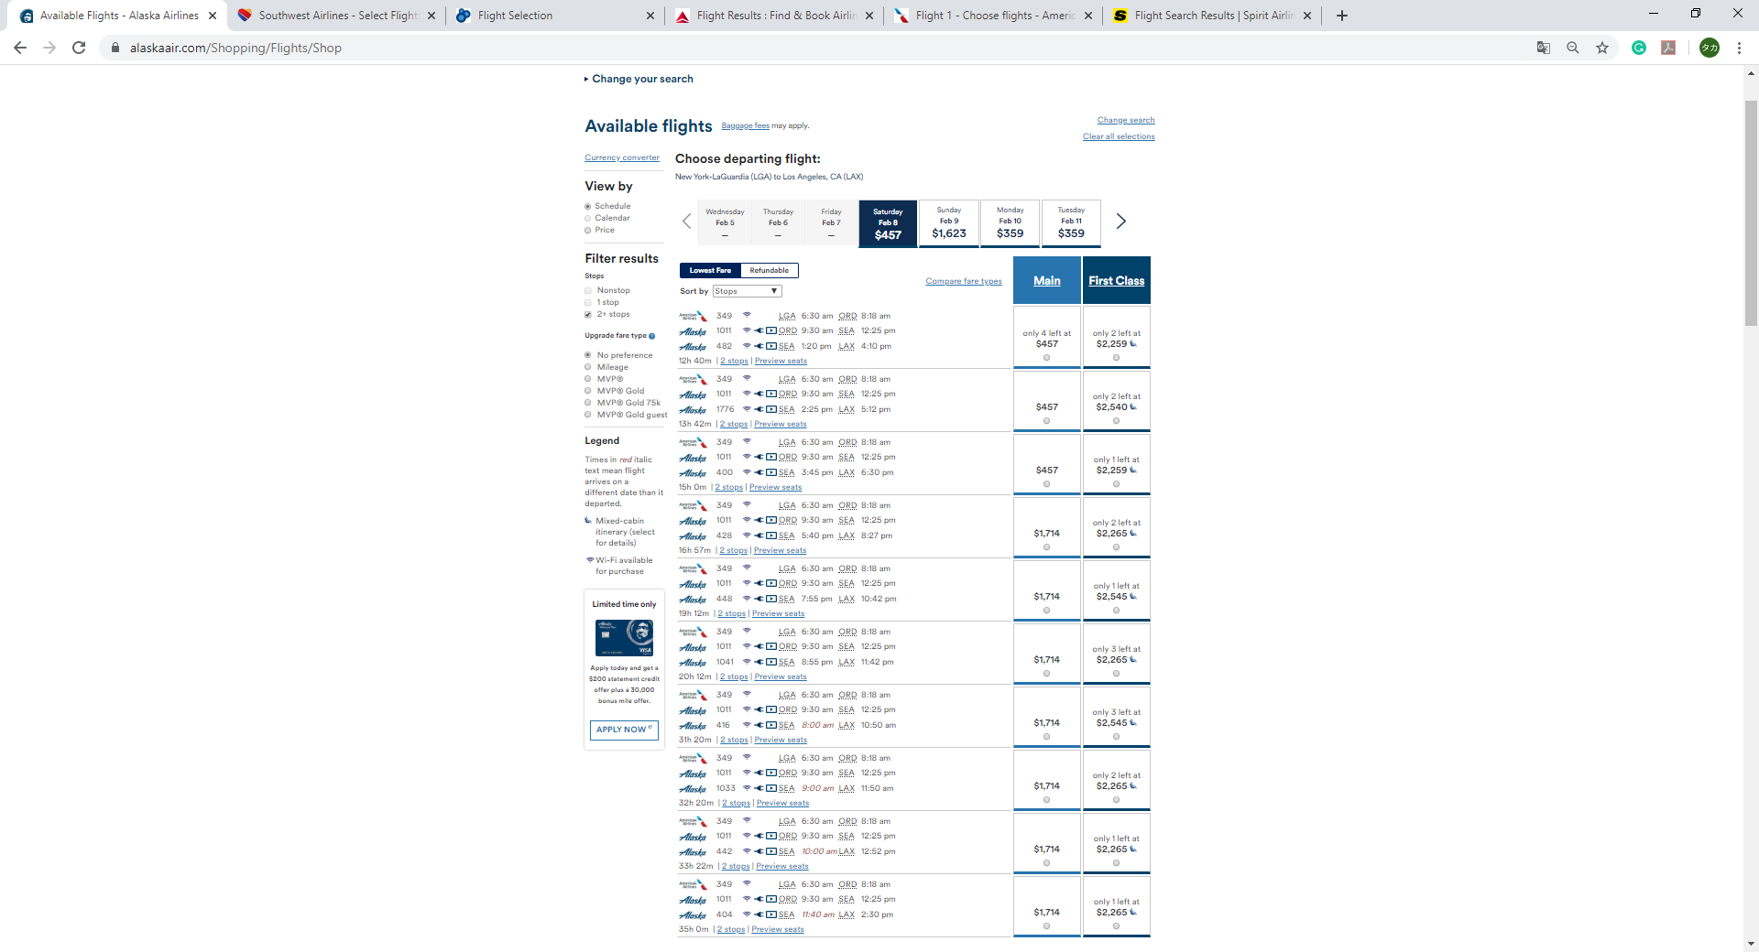
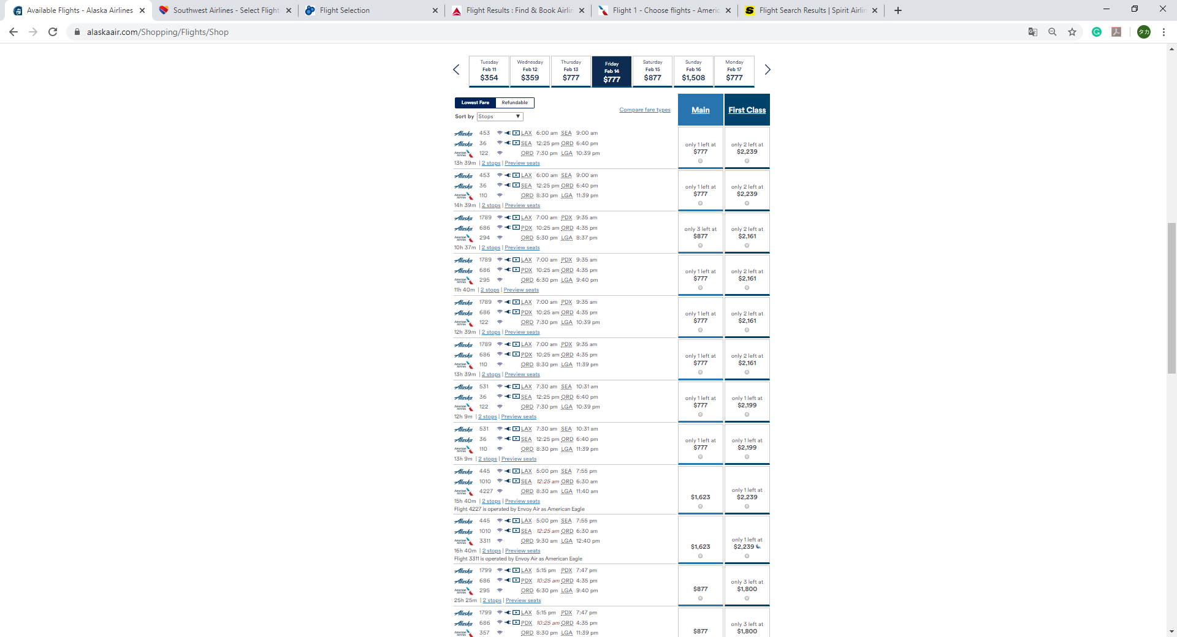
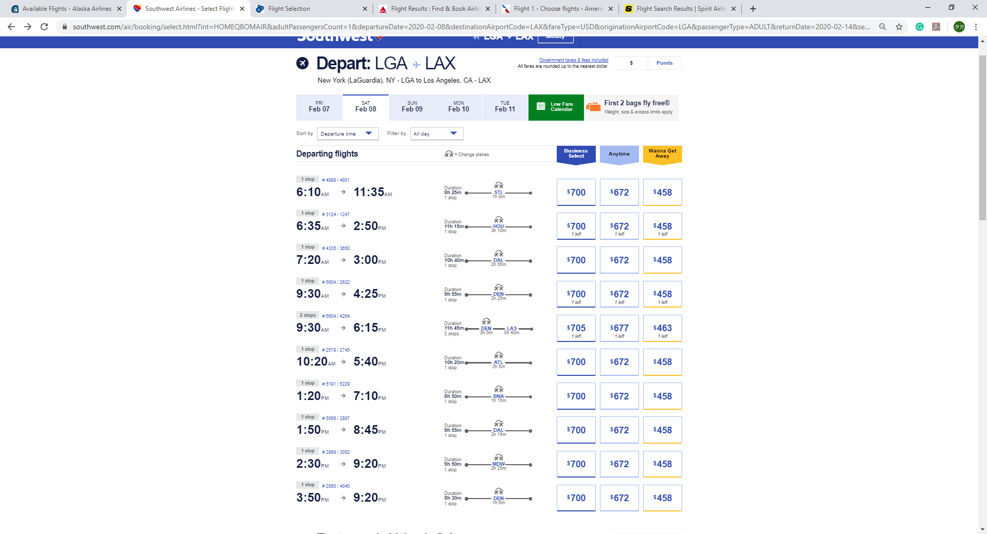
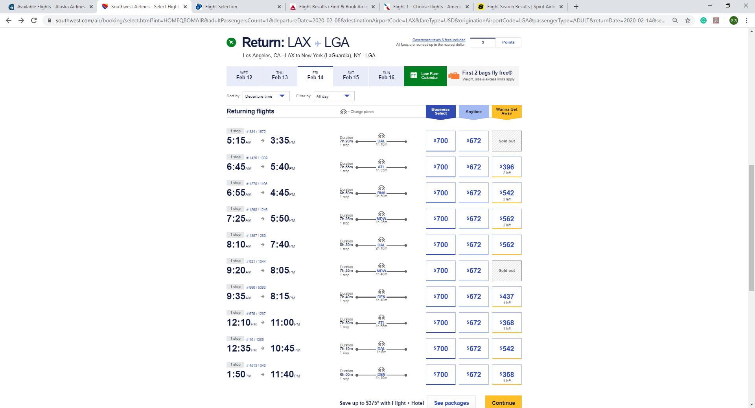
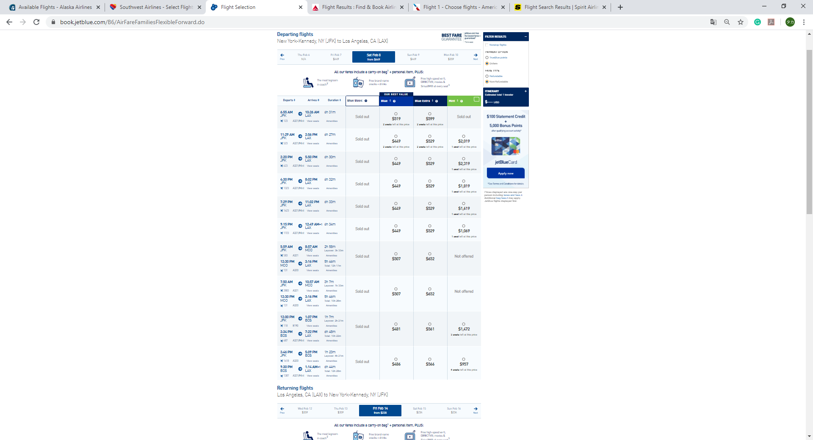
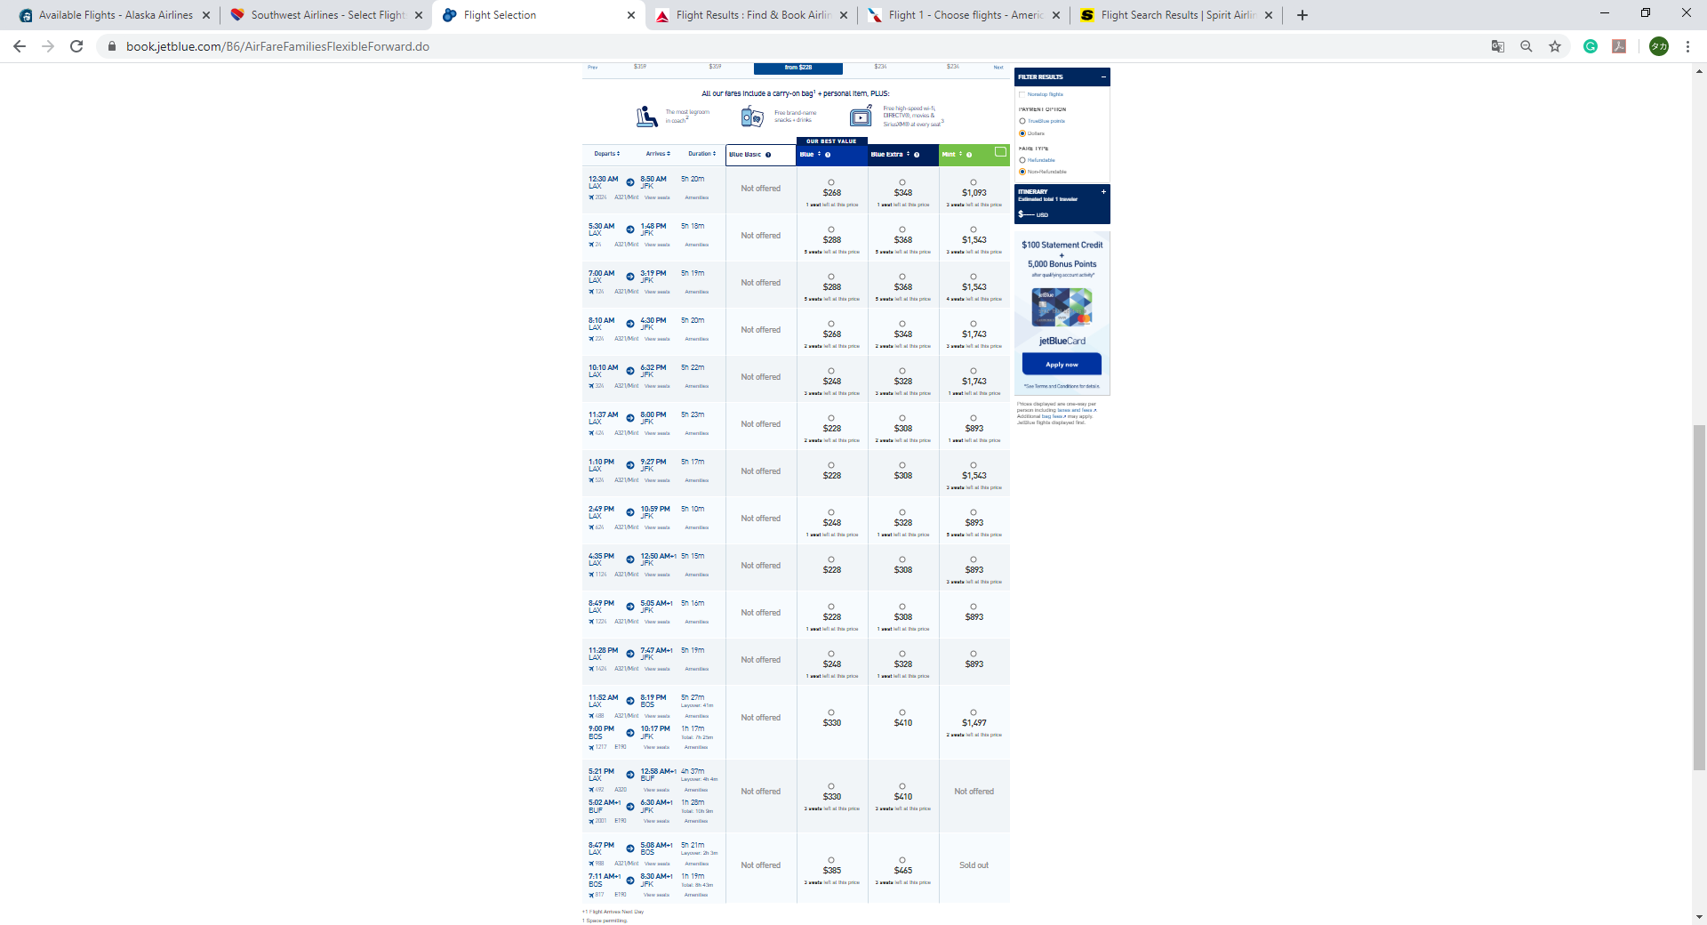
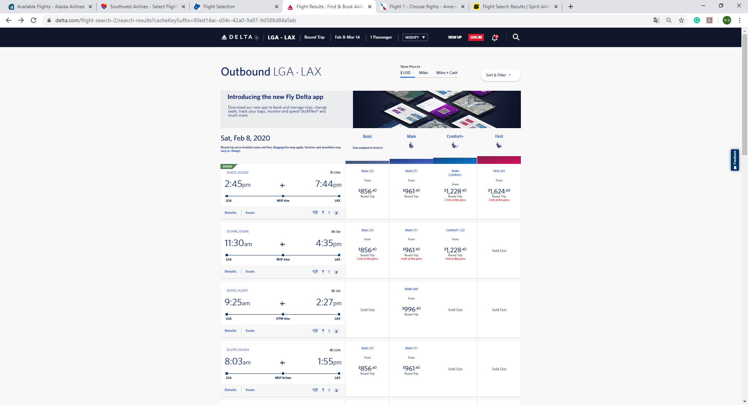
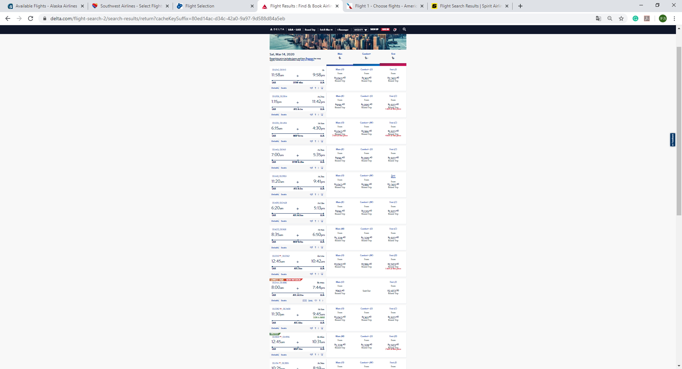
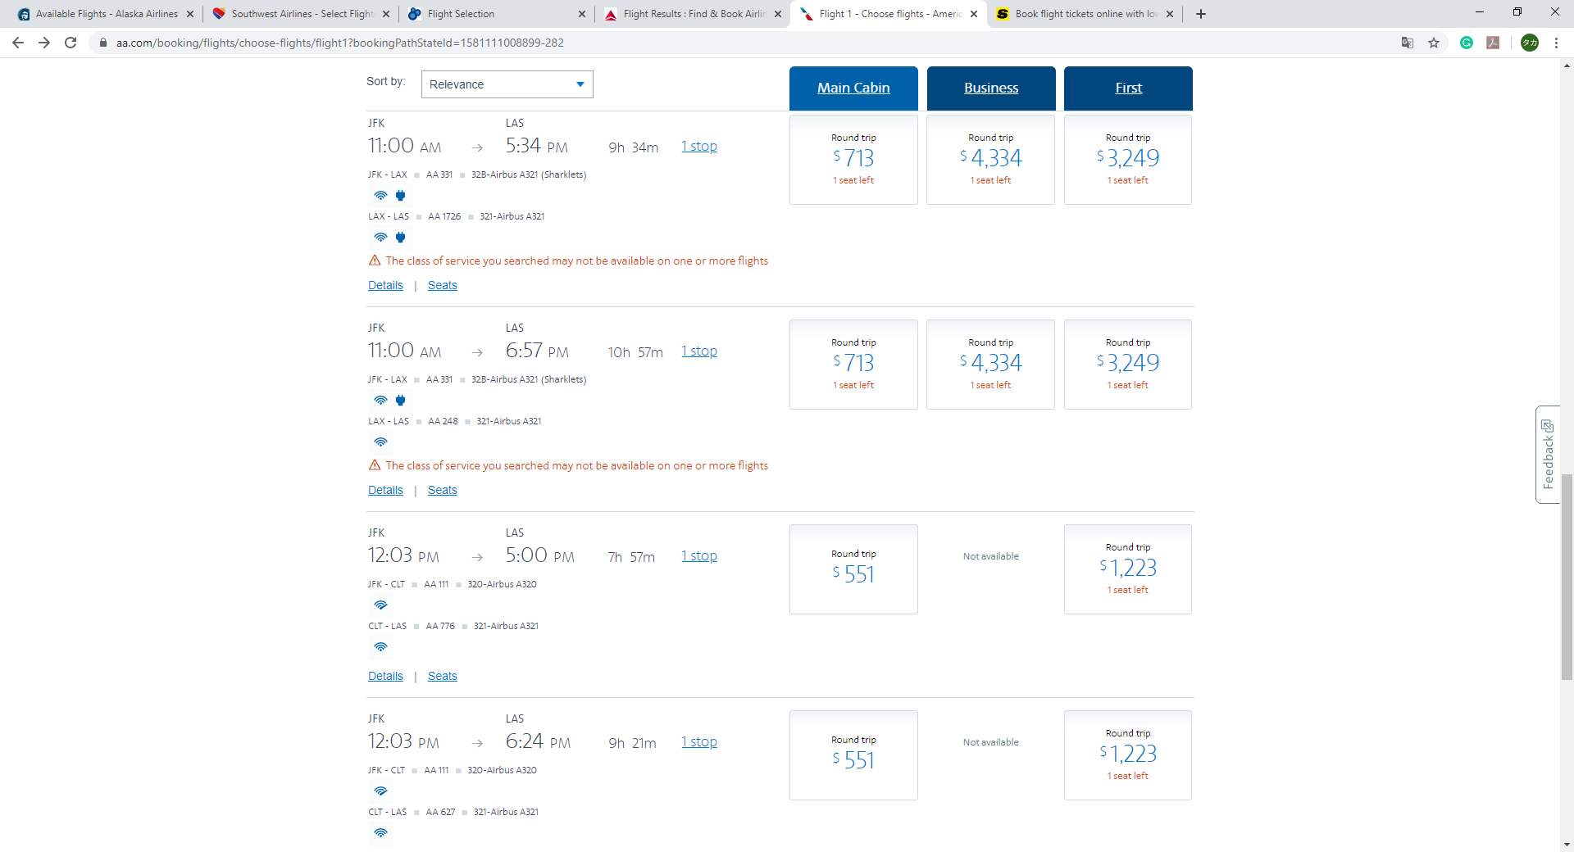
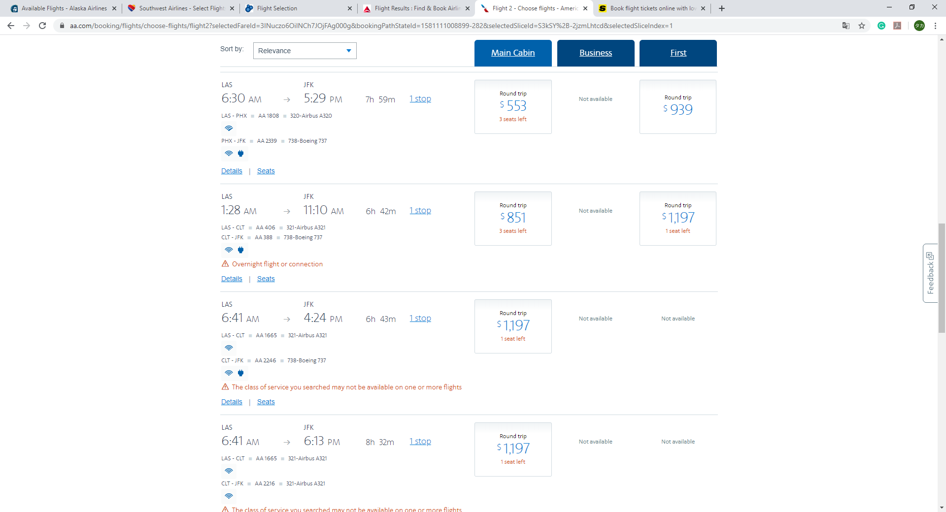
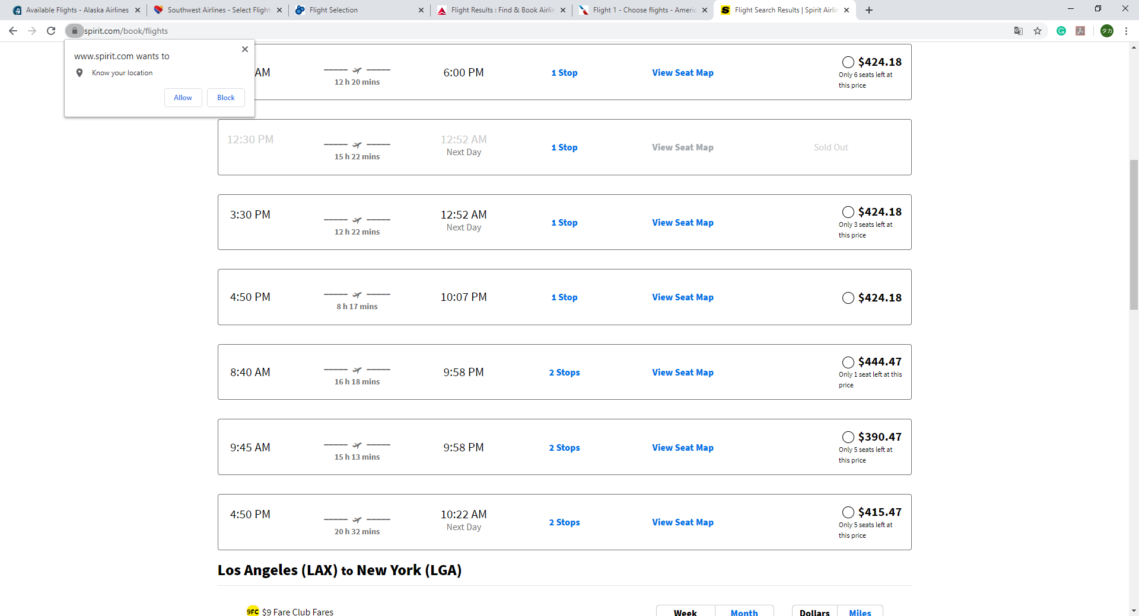
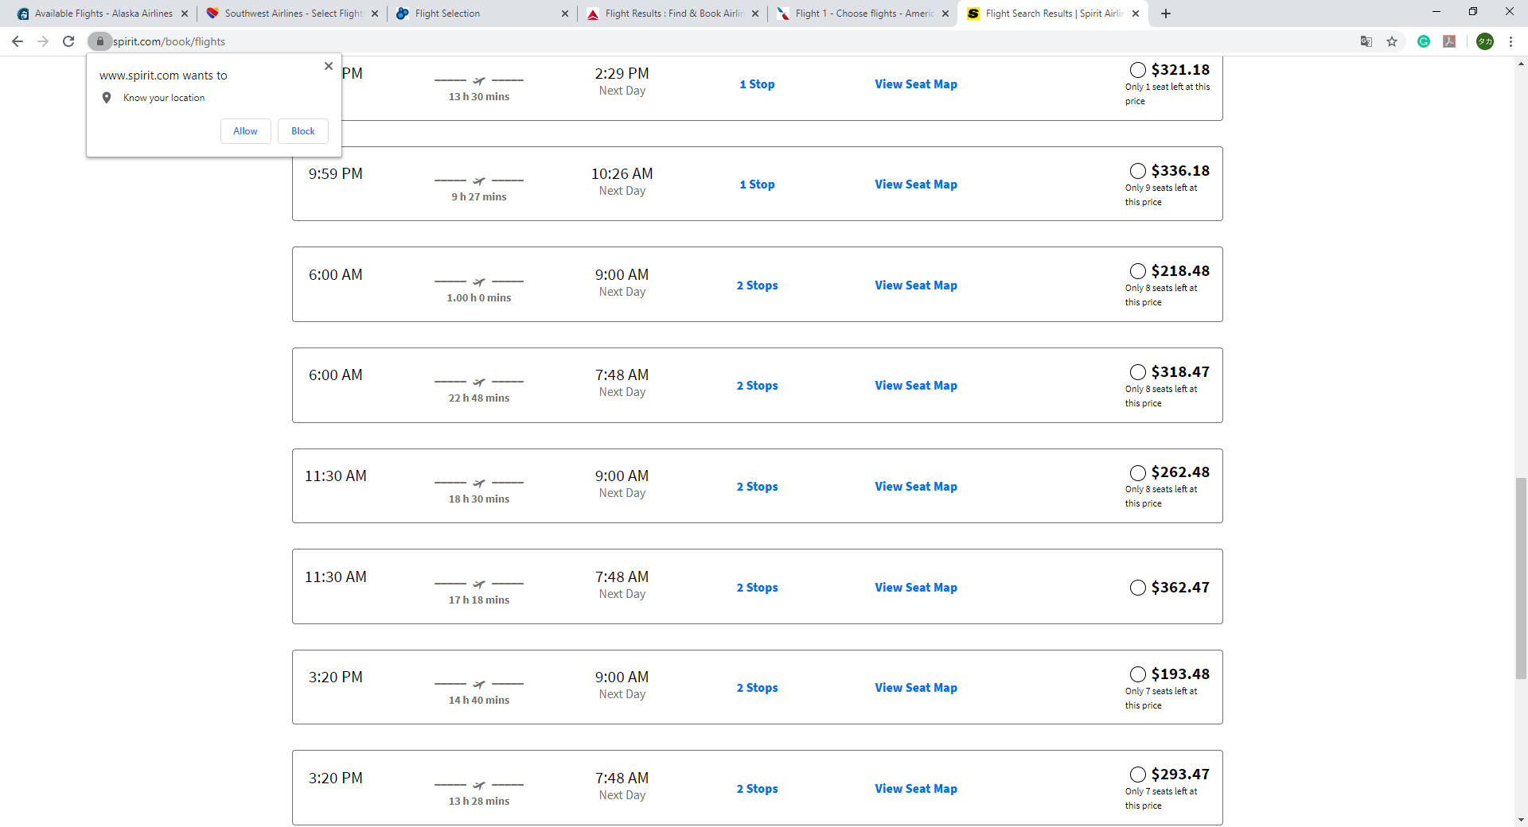
2020-02-07
Data | 2/8 - 2/14
1 Passenger
NY - LOS
 |  | Go
 |  | Airlines | Lowest | Middle | High
 |  | Alaska | 457 |  | 1714
 |  | South West | 672 |  | 672
 |  | Jet Blue | 449 | 481 | 519
 |  | Delta | 856 |  | 856
 |  | American | 551 |  | 713
 |  | Spiirit | 390 | 415 | 444

 |  | Back
 |  | Airlines | Lowest | Middle | High
 |  | Alaska | 777 | 877 | 1623
 |  | South West | 672 |  | 672
 |  | Jet Blue | 228 | 288 | 385
 |  | Delta | 961 | 1062 | 1224
 |  | American | 553 | 853 | 1197
 |  | Spiirit | 193 | 262 | 362

